Quote
Lease Quotation

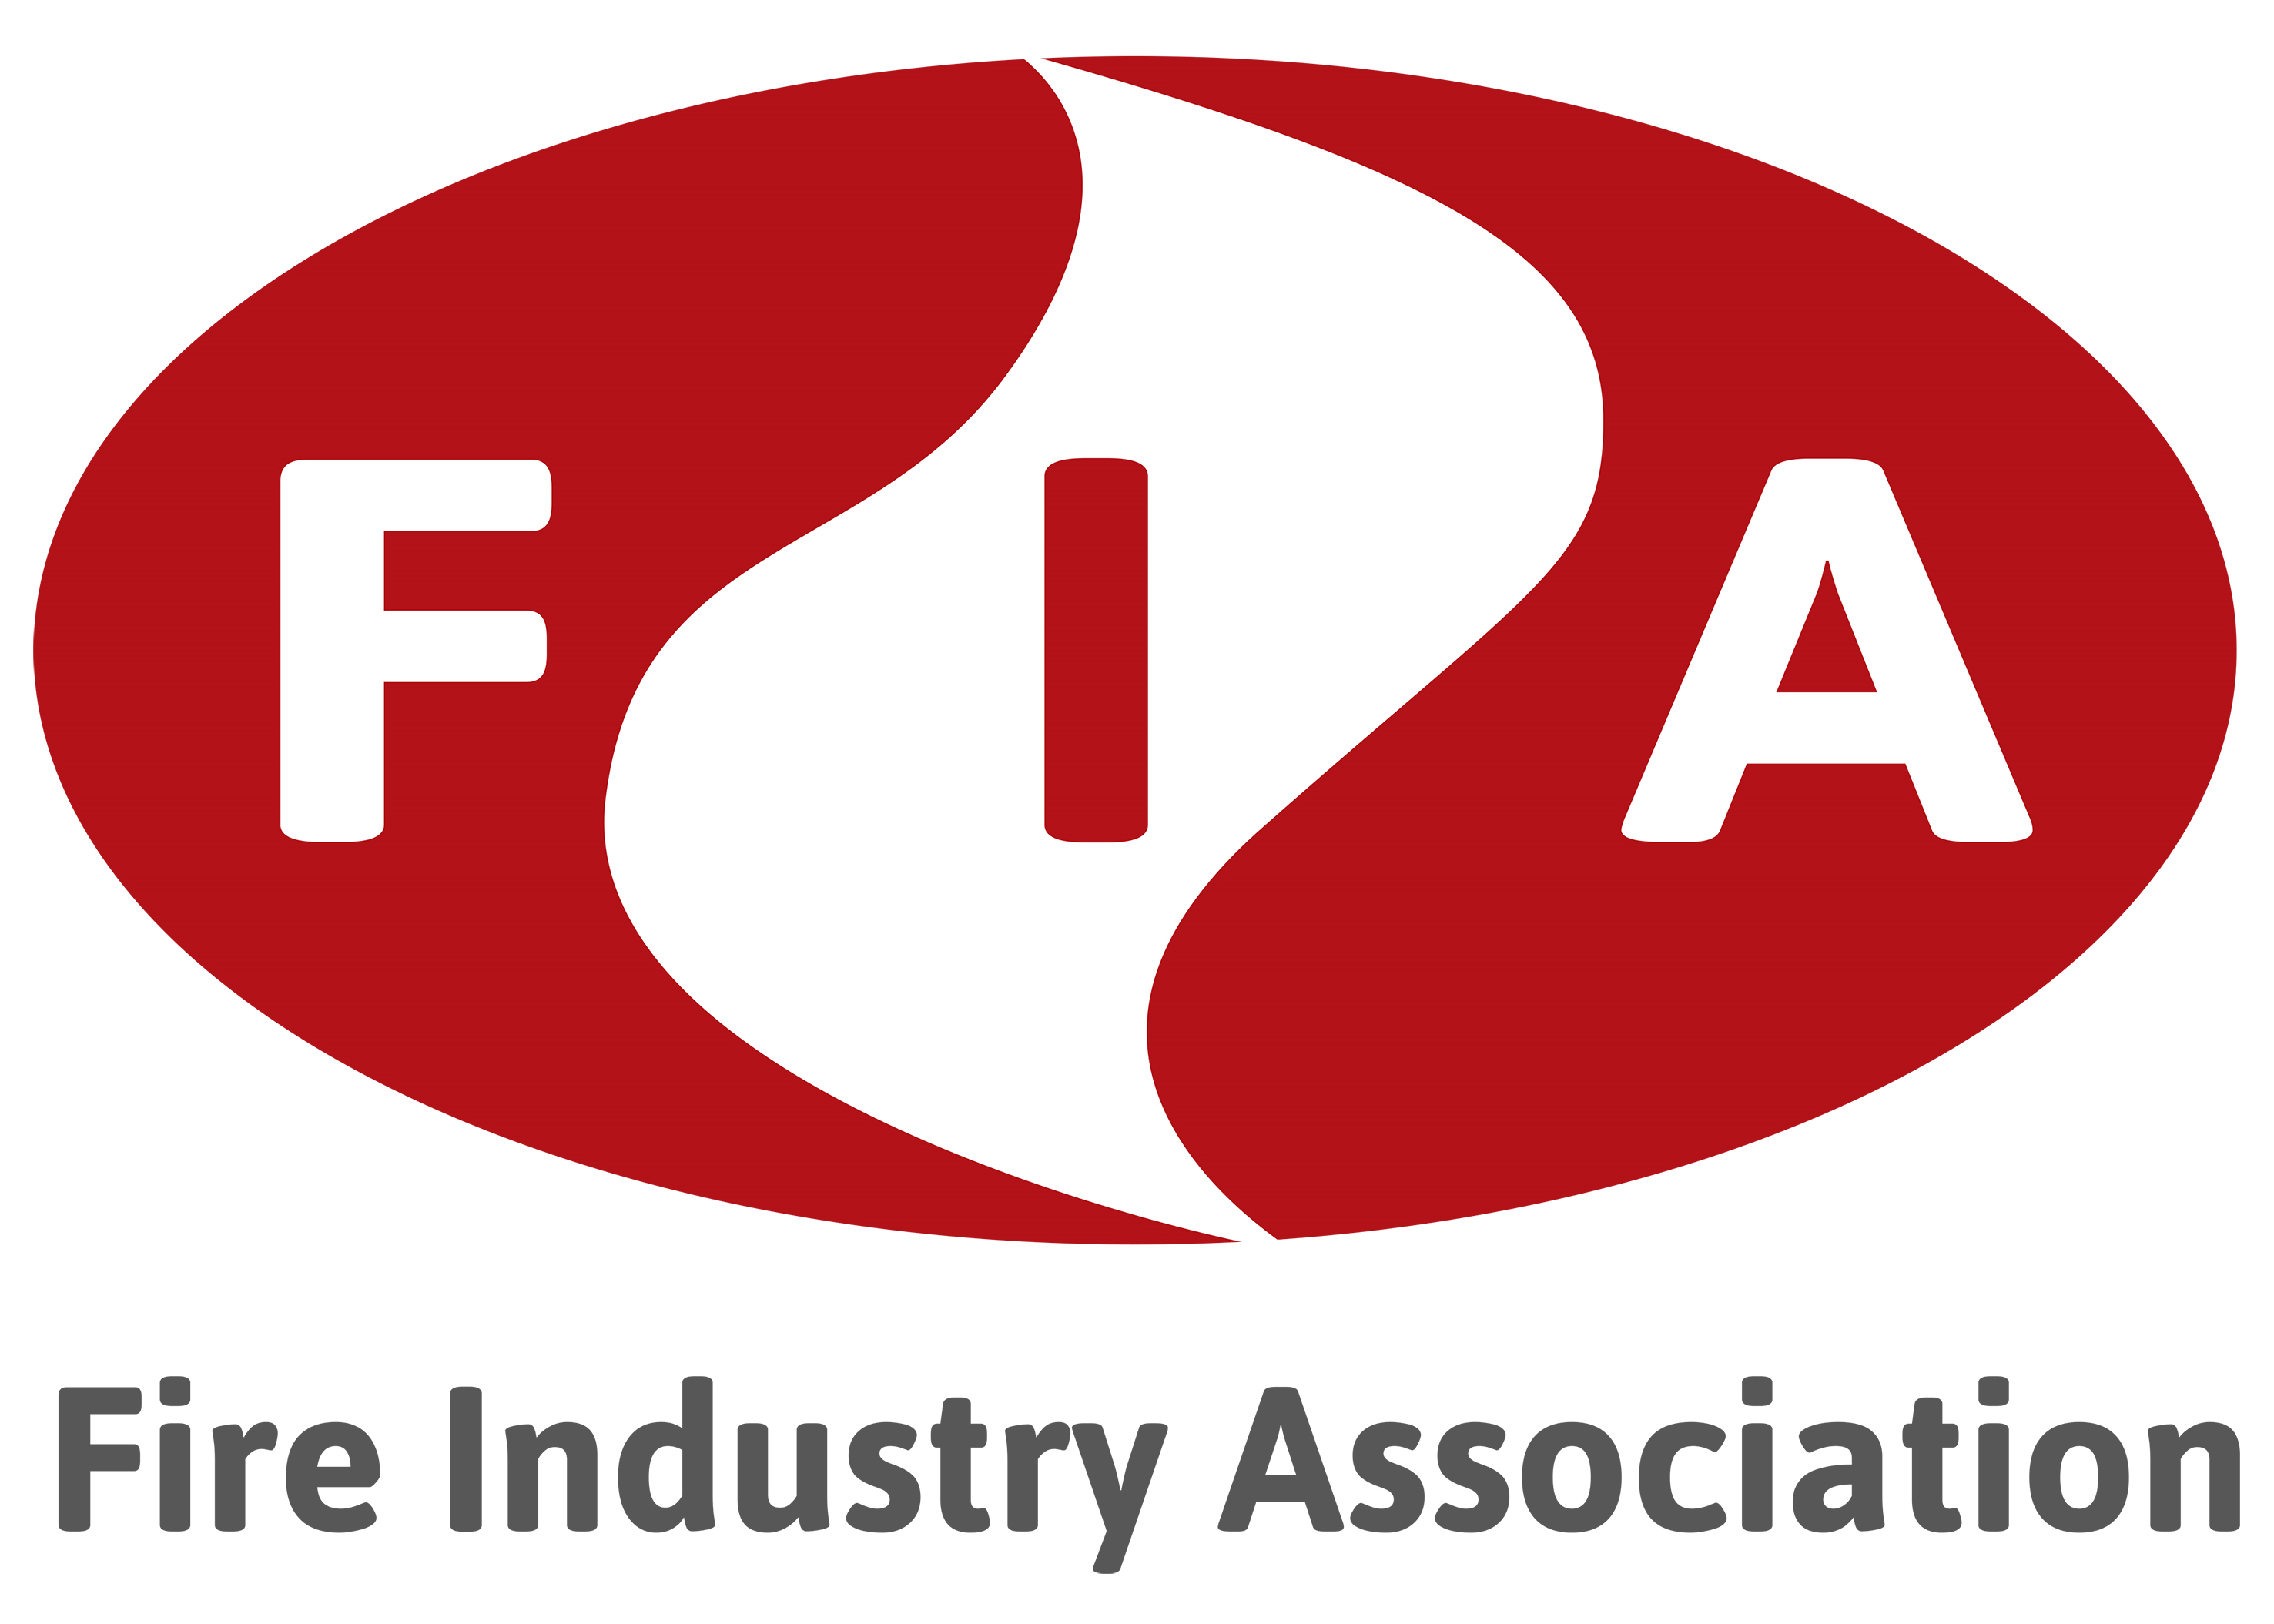

Customer Name

Net equipment cost | £500,000.00

Business type | Blue Chip Business

Term | 2 Years | 3 Years | 4 Years | 5 Years

Monthly payment | £23,145.00 | £15,965.00 | £12,380.00 | £10,235.00

Weekly cost | £5,341.15 | £3,684.23 | £2,856.92 | £2,361.92

Tax Relief | £111,096.00 | £114,948.00 | £118,848.00 | £122,820.00

Net cost after tax relief | £444,384.00 | £459,792.00 | £475,392.00 | £491,280.00
All figures quoted are indicative only and subject to VAT, final underwriting, admin fees, payment by Direct Debit and the lenders terms and conditions. Leasing is 100% allowable against taxable profits. The above tax relief figures assume 20% small profits rate and may demonstrate self-financing. For exact taxation benefits relevant to your business it is recommended that you seek professional financial advice from your accountant or tax advisor.

Leasing available from just £1000 + VAT
Asset become even more affordable.
Tax advantages
Lease payments are 100% tax allowable
Fast decisions
Credit approval secured within a few hours
Alternative form of credit
Existing facilities remain unaffected
Total solution finance
Finance the equipment, installation and services
Flexible upgrade paths
Upgrade or settle at any point throughout the term
Key features
Key features

www.completeleasing.co.uk | tm@completeleasing.co.uk | 0191 250 1550
Complete Leasing Solutions Ltd, 18 Apex Business Village, Cramlington, Northumberland, NE23 7BF

